Sheet1
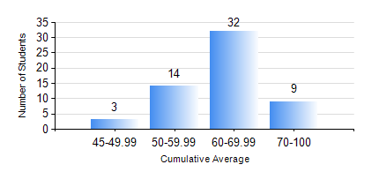
 |  |  | KWAME NKRUMAH UNIVERSITY OF SCIENCE AND TECHNOLOGY, KUMASI Department of Computer Engineering

 |  |  | BSC. COMPUTER ENG.

 |  |  | COMPREHENSIVE RECORD OF EXAMINATION RESULTS

 |  |  | RESULTS OF YEAR 4 FIRST SEMESTER, 2018/2019 ACADEMIC YEAR

 | Sn | Course Code |  | Course Name | Credit Hours | Min. Mark | Max. Mark | Avg. Mark | Std. Dev. | No. Passed | No. Trailed | No. (Df) | No. (I) | No. (I*) | No. Tagged(I,I*,Df) | Total
 | 0. |  |  |  |  |  |  | 0 | 0 | 0 | 0 | 0 | 0 | 0 | 0 | 1
 | 1. | COE 451 |  | COMPUTER GRAPHICS | 3 | 82 | 100 | 90 | 9.07 | 3 | 0 | 0 | 0 | 0 | 0 | 3
 | 2. | COE 453 |  | DISTRIBUTED COMPUTING | 3 | 50 | 84 | 71 | 8.45 | 46 | 0 | 0 | 0 | 0 | 0 | 46
 | 3. | COE 457 |  | ARTIFICIAL INTELLIGENCE | 3 | 41 | 79 | 60 | 8.06 | 21 | 0 | 0 | 0 | 0 | 0 | 21
 | 4. | COE 475 |  | COMPUTER NETWORKING | 4 | 53 | 85 | 69 | 7.31 | 57 | 0 | 0 | 0 | 0 | 0 | 57
 | 5. | COE 485 |  | COMPUTER ARCHITECTURE | 3 | 27 | 87 | 65 | 12.94 | 56 | 1 | 0 | 0 | 0 | 0 | 57
 | 6. | COE 497 |  | PROJECT 1 | 3 | 51 | 89 | 75 | 10.14 | 57 | 0 | 0 | 0 | 0 | 0 | 57
 | 7. | COE 499 |  | VACATION TRAINING | 2 | 60 | 86 | 76 | 5.22 | 56 | 0 | 1 | 0 | 0 | 1 | 57
 | 8. | ME 491 |  | ENGINEERING ECONOMICS AND MANAGEMENT | 3 | 40 | 76 | 60 | 9.35 | 57 | 0 | 0 | 0 | 0 | 0 | 57

